1. Title Page
Instacart Grocery Basket Analysis

Project Name: Instacart Grocery Basket Analysis
Date: 13/07/23
Analyst Name: Sonal Garg

Contents:
Population Flow
Consistency checks
Wrangling steps
Column derivations
Visualizations
Recommendations

“The Instacart Online Grocery Shopping Dataset 2017”, Accessed from www.instacart.com/datasets/grocery-shopping-2017 via Kaggle on 6/16/2323.

2. Population Flow
 |  |  | Title page

Population flow

Exclusion flag
Condition: max_order < 5
Obervations to be removed: 2,235,415
Final total count of order_products_all: 30,199,644

Orders_products_combined
Orders_products_merged
Orders_products_all

Total:
Total:
Total:
32434489 | 32435070 | 32435059

1.) The grey boxes in the first row of the population flow represent the original data sets as they were when you downloaded them. In the Total fields you need to add the count of the rows when you imported the data set into Jupyter.
2.) The second row of boxes (coloured) represents the data sets after you manipulated them, e.g., removed missing values and duplicates. In the Total fields you need to add the count of the rows after conducting these operations. This offers a visual oveview of how the data flows throughout the data consistency checks.
3.) The third row, where also the arrows are coloured, represents the merges you performed between the datasets. In the Total fields you need to add the count of the rows in the merged datasets, so that you end up with the final dataset (in the red box). Keep in mind the final dataset should be without exclusions (based on the exclusion flag).

3. Consistency checks
 |  |  |  | Title page
Consistency checks

Dataset | Missing values | Missing values treatment | Duplicates
orders | days_since_prior_order colum has 206209 entries. | First print missing value and store them in a new dataframe: df_nan = df_ords[df_ords['days_since_prior_order'].isnull() == True] | Find formula with formula: df_dups = df_ords_clean[df_ords_clean.duplicated()] There are no duplicates.
products | Product_name has 16 missing values. | First print missing value and store them in a new dataframe: df_nan = df_prods[df_prods['product_name'].isnull() == True] We can also use drop() function to remove missing values. | Find duplicates with this formula: df_dups = df_prods_clean[df_prods_clean.duplicated()] we have 5 duplicate entries.
orders_products_prior
customers | 11259 missing values for first_name | Left as is, missing first name does not affect the usability of the data. | None
Ic_data | no missing values as it was updated dataset |  | None

4. Wrangling steps
 |  |  |  | Title page
Wrangling steps

Columns dropped | Columns renamed | Columns' type changed | Comment/Reason
eval_set |  |  | Because it was showing only one value 'prior' for each data entry.
 | order_dow As orders_day_of_week | Order_id changed to string data type | This variable holds no numeric value and is not used in descriptive statistics
 | Surnam as Last_name |  | More descriptive header
 | n_dependants to Number_of_depedants |  | More descriptive header
 |  | user_id from numeric to string | This variable holds no numeric value and is not used in descriptive statistics

First_name |  |  | for PII concern
Last_name |  |  | for PII concern

5. Column derivations
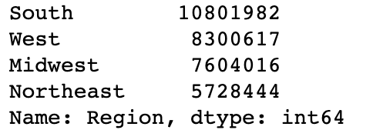
 |  |  |  |  | Title page

Column derivations and aggregations

Dataset | New column | Column/s it was derived from | Conditions | Price range
order_products_merged | Price_range | prices | > 5 = low range product <= 5 & >15 = mid-range product <=15 = high range product
order_products_merged | busiest_day | order_day_of_week | if order_dow = 0, then is Busiest Day if order_dow = 4, then Least Busy All else = Regular Busy | Busiest day
order_products_merged | busiest_day-2 | order_day_of_week | if order_dow = 0 or 1, then Busiest Day if oder_dow = 3 or 4, then Least Busy if order_dow = all else, then Regular Busy
orders_products_added_columns | max_order | user_id & order_number | grouped user_id and returns the maximum order numbers | Busiest day 2
orders_products_agregates | loyalty flag | max_orders | > than 40 = Loyal Customer < 40 and >=10 = Regular Customer < 10 = New Customer
orders_products_agregates | mean_price | user_id & price | Grouped by user_id, then aggregated the mean price
orders_products_agregates | user_spending | mean_price | >= 10 = High spender > 10 = Low spender | Customer loyalty
orders_products_agregates | median_days_since_order | user_id & days_since_prior_order | Groupsed by user_id and aggredated the median days since prior order
orders_products_agregates | user_frequency | median_days_since_order | >20 = non-frequent >10 & <= 20 = regular >= 10 = Frequent
ic_data | crosstab | days_since_prio_order & order_number | Created Excel chart
ic_data | crosstab | Region & user_spending | Created Excel chart
ic_data | age group flag | Age | < 35 = young adult >= 35 & <65 = Middle age >= 65 = Senior
ic_data | income bracket | income | < 70k = lower income 70-125k = middle income >125k = higher income
ic_data | Region | State | Grouped states into regions
ic_data | Dependants | number_dependants | identifies dependants vs no dependants

Customer frequency |  | User spending | Age group



Income_bracket |  | Dependants | Region

6. Visualizations
 |  |  |  |  |  |  |  | Title page

Visualisations

 |  |  |  |  |  |  |  |  |  |  |  |  |  |  | Across the board customers are predomenently low spenders
 |  |  |  |  |  |  |  |  | While not the busiest time of day, customers spend the most money when shopping early morning or late at night.
The busiest days of the week are Saturday and Sunday , but the highest prices items are bought on Saturday and Friday. |  |  |  | The busiest hours of the dar are between 8am and 5pm



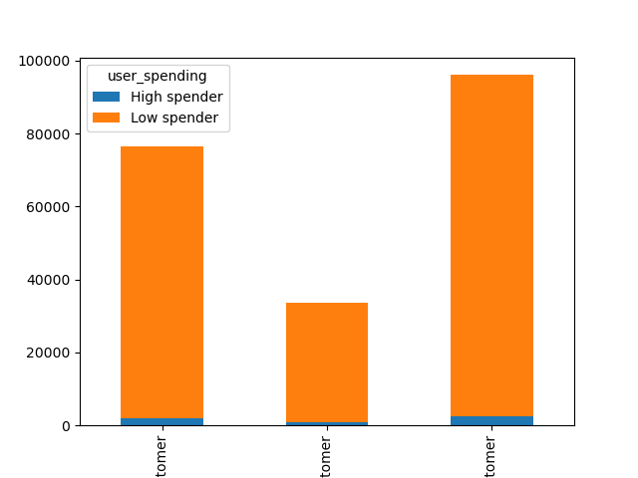
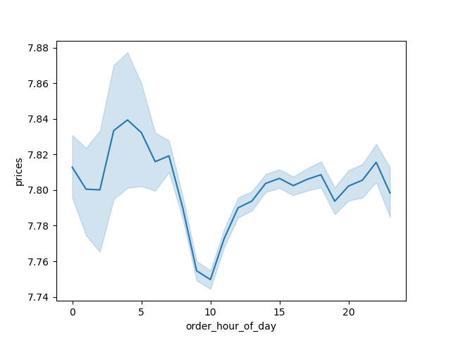

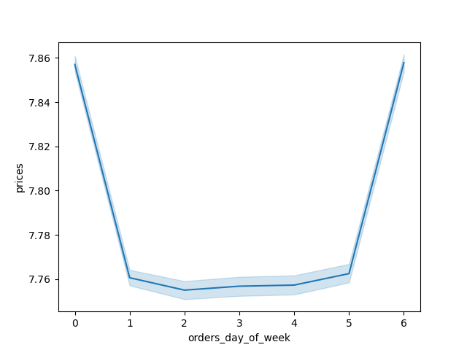

 |  |  |  |  |  |  |  |  |  |  |  |  |  |  |  |  | Loyal | New | Regular
 |  |  |  |  |  |  |  |  |  | Customer Loyalty - Regular customers make up the largest part of the customer base, then the deemed loyal customers (those who have ordered over 40 times), then new customers.
 |  |  |  |  | Produc and dairy/eggs are the most popular departments, with snacks coming in 3rd

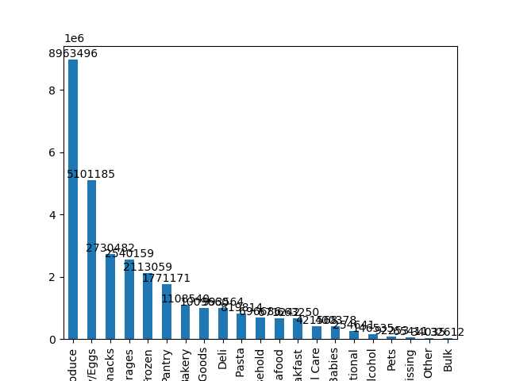

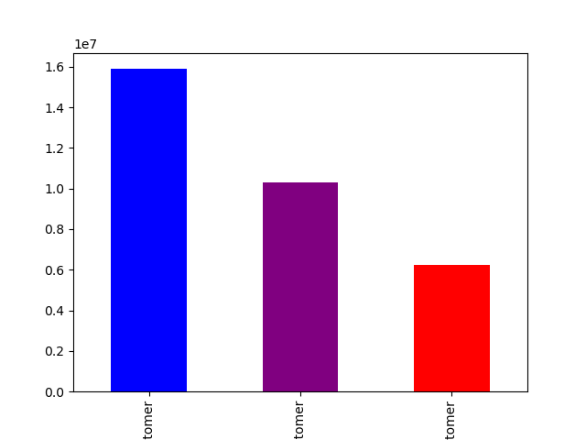

 |  |  |  |  |  |  |  |  |  |  | Regular | Loyal | New

 |  |  | Regionally Instacart is strongest in the south, with the most spending and the highest number across all loyalty flags.

 |  |  |  |  |  |  |  |  |  |  |  |  |  | Across the board married customers are the highest users, regardless of their income bracket or age.

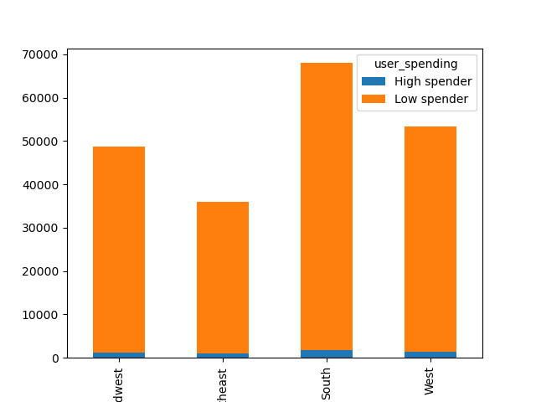
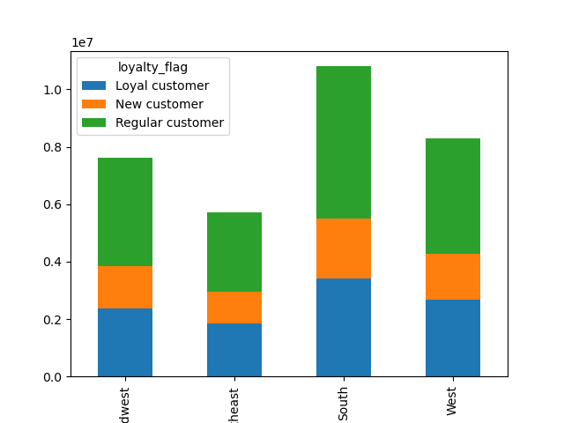

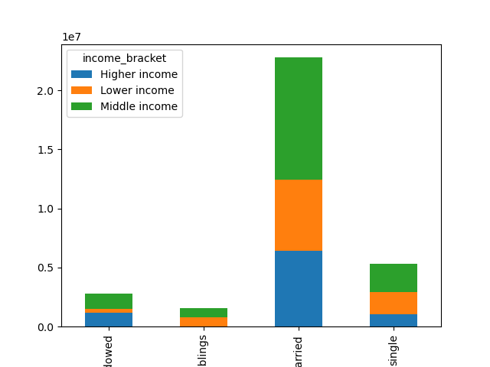

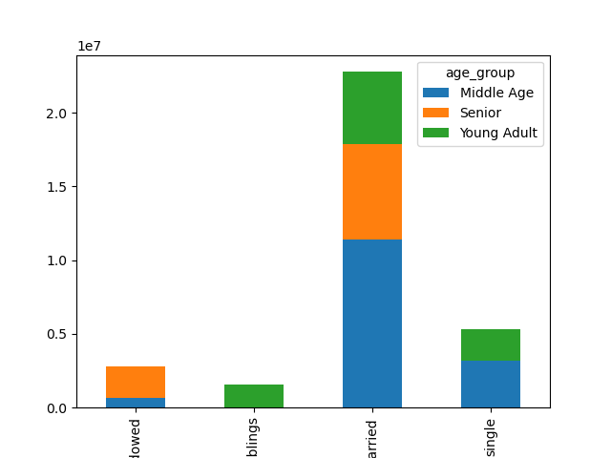

 | Midwest | Northeast |  |  |  | Midwest | Northeast

 |  |  |  |  |  |  |  |  |  |  |  |  |  | Divorced/widowed | living with paremts and siblings | Married |  |  | Divorced/widowed | living with paremts and siblings

7. Recommendations
 |  | Title page

Recommendations

 | Question | Answer
1. | The sales team needs to know what the busiest days of the week and hours of the day are (i.e., the days and times with the most orders) in order to schedule ads at times when there are fewer orders. | The buesiest days of the week are Saturday and Sunday, between 8 a and 5 pm

2. | They also want to know whether there are particular times of the day when people spend the most money, as this might inform the type of products they advertise at these times. | While not the busiest time of day, the most money tends to be spent by those shopping early in the morning or late at night,

3. | Instacart has a lot of products with different price tags. Marketing and sales want to use simpler price range groupings to help direct their efforts. | Price ranges were created to identify high spenders and low spenders.

4. | Are there certain types of products that are more popular than others? The marketing and sales teams want to know which departments have the highest frequency of product orders. | Produce is the most popular department, then dairy/eggs, and then snacks.

5. | The marketing and sales teams are particularly interested in the different types of customers in their system and how their ordering behaviors differ. | Married couples tend to order more, regardless of income or age. Regionally customers in the South use Instacart more than other regions. While the Northeast orders the least. Those living at home order the least, regardless of age or income, followed by divorced/widowed. Across the board most items ordered are lower value, with very little high user spending.

